Precios
BASIC BOOTH FITTINGS - 2022 Effective until 30.06.2022

Exhibition: |  | Booth: |  |  |  | Date:
Exhibitor.: |  | C.U.I.T.: |  |  |  | Tel.:
Adress: |  | E-mail:

In order to proceed with the assembly and/or installation of the requested items, the corresponding payment must be paid (credited) no later than 7 days prior to the start of the assembly at 100%. The values in this catalog are valid until June 30, 2022. Requests that have not been confirmed by 100% payment by that date will be void.

I N F R A E S T R U C T U R E
CODE | DESCRIPTION | WIDTH | DEPTH | HEIGHT | USD | QUANTITY | AMOUNT
PANELS and TRIMMING are quoted by modules of 1.00m. If the requested measures are lower of witch fraction, the upper value wil be quoted ( eg a 0,50 or 0,75 meter valence has valuee of 1.00m)
PA-01 | SYMA WHITE PANEL | 1.00 |  | 2.50 | 25.00 |  | 0.00
PA-02 | SYMA BLACK PANEL | 1.00 |  | 2.50 | 35.00 |  | 0.00
PV-01 | SYMA PANEL WITH GLASS BASE 0,75m (GLASS H:1,45m) | 1.00 |  | 2.50 | 45.00 |  | 0.00
PA-04 | SYMA PANEL SIMIL CHERRY WOOD | 1.00 |  | 2.50 | 35.00 |  | 0.00
PA-03 | SYMA PAINTED PANEL- ANY COLOUR | 1.00 |  | 2.50 | 65.00 |  | 0.00
PA-05 | PANEL RAPI-WALL WITHOUT HUNGS | 1.00 |  | 1.45 | 85.00 |  | 0.00
CE-01 | SYMA TRIMMING | 1.00 |  | 0.30 | 15.00 |  | 0.00
CE-02 | SYMA LINTEL | 1.00 |  | 0.05 | 10.00 |  | 0.00
CE-03 | BALANCE, PER LINEAR METER (H/3M) HEIGHT 0,75m | 1.00 |  | 0.65 | 35.00 |  | 0.00
AV-02 | DOOR WITH LOCK | 1.00 |  | 2.08 | 80.00 |  | 0.00

FURNITURE
CODE | DESCRIPTION | WIDTH | DEPTH | HEIGHT | USD | QUANTITY | AMOUNT
MO-50 | DESK WITH DRAWERS -BLACK -BEECH TOP | 1.30 | 0.70 | 0.75 | 50.00 |  | 0.00
MO-12 | FILE CABINET WITH SLINDING DOORS -BEECH TOP | 1.00 | 0.40 | 0.80 | 50.00 |  | 0.00
MO-10 | SWIVEL BLACK CHAIR WITH ARMREST | 0.70 | 0.50 | REG | 30.00 |  | 0.00
MO-08 | SWIVEL CHAIR WITHOUT ARMREST -BLACK UPHOLSTERED | 0.65 | 0.50 | REG | 15.00 |  | 0.00
MO-80 | CLOTHES STAND CHROMO | 0.30 | 0.30 | 1.60 | 35.00 |  | 0.00
MO-81 | CLOTHES STAND BLACK TUBE | 0.30 | 0.30 | 1.60 | 20.00 |  | 0.00
MO-71 | FLIER CONTAINER | 0.30 | 0.35 | 1.20 | 50.00 |  | 0.00
MO-72 | BASKET CHROME | 0.24 | 0.24 | 0.31 | 15.00 |  | 0.00
MO-73 | DIVIDER LINE (2.00m long) | 2.00 |  | 0.75 | 25.00 |  | 0.00
FR-01 | SMALL FREEDGE - "TO CONSULT STOCK" |  |  |  | 170.00 |  | 0.00
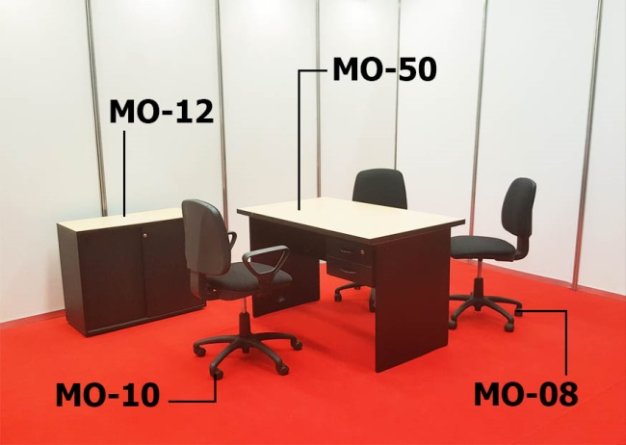 | 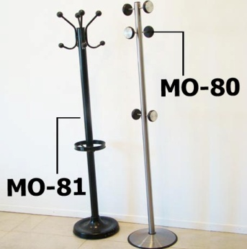 |  |  |  | 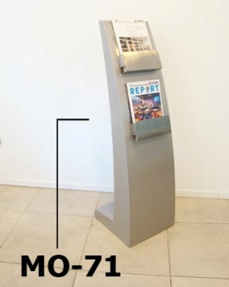
MO-26 | SMALL ROUND TABLE BLACK BASE AND TOP 85cm Diam. | diám. | 0.85 | 0.75 | 35.00 |  | 0.00
MO-06 | DELTA CHAIR - CHROME BASE - BLACK SEAT | 0.55 | 0.47 | 0.82 | 20.00 |  | 0.00
MO-17 | BLACK CHROME CHAIR WITH ARMREST - "JIM" | 0.48 | 0.40 | 0.80 | 25.00 |  | 0.00
MO-24 | ROUND MEETING TABLE - BLACK BASE/ BLACK TOP 1,20 m | diám. | 1.20 | 0.75 | 65.00 |  | 0.00
MO-05 | TAPESTRIED CHAIR - BLUE OR GREY | 0.50 | 0.54 | 0.78 | 10.00 |  | 0.00
MO-75 | UPHOLSTERED CHAIR "IMPERIO" | 0.44 | 0.54 | 0.98 | 10.00 |  | 0.00
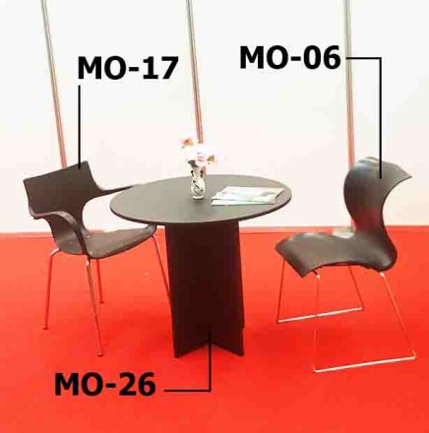 | 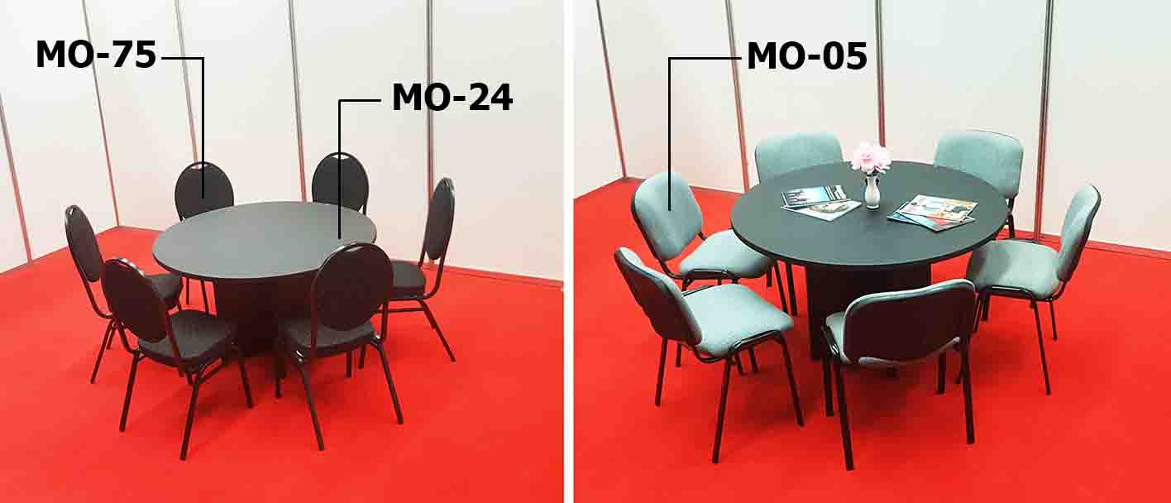 |  |  |  |  |  | 0.00
MO-95 | ARMCHAIR CHROME WITH BLACK ECO-LETHER, DOUBLE | 1.20 | 0.80 | 0.70 | 145.00 |  | 0.00
MO-96 | ARMCHAIR CHROME WITH BLACK ECO-LETHER, SINGLE | 0.64 | 0.80 | 0.70 | 95.00 |  | 0.00
MO-29 | LITTLE TABLE CHROME ORBIT BASE AND BLACK TOP | 0.50 | 0.50 | 0.40 | 25.00 |  | 0.00
MO-92 | PUFF WITH BLACK ECO-LETHER | 0.40 | 0.40 | 0.40 | 20.00 |  | 0.00
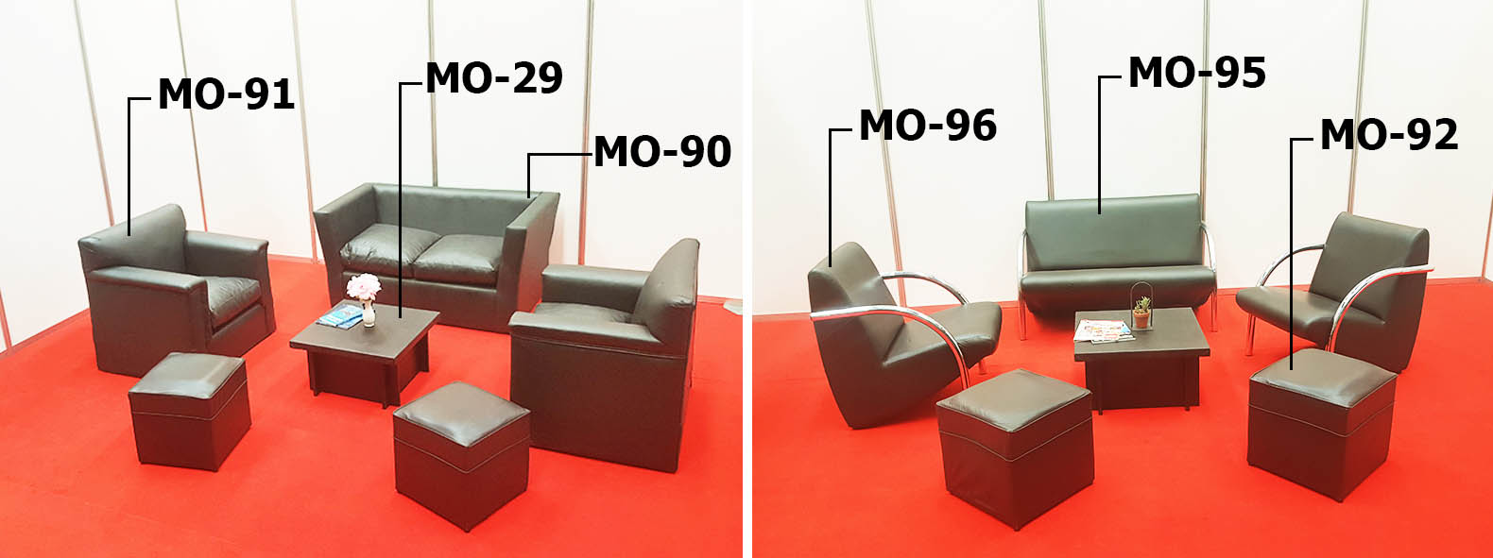
MO-13 | BAR TABLE | diám. | 0.60 | 0.90 | 35.00 |  | 0.00
MO-16D | BAR STOOL "MILO" WITHOUT BACK | 0.47 | 0.42 | 0.84 | 30.00 |  | 0.00
MO-16H | SQUARE BAR STOOL BLACK, ADJUSTABLE HEIGHT | 0.34 | 0.38 | REG | 30.00 |  | 0.00
MO-16K | SQUARE BAR STOOL WHITE, ADJUSTABLE HEIGHT | 0.34 | 0.38 | REG | 30.00 |  | 0.00
MO-16B | ROUND BAR STOOL "VITRO" BLACK, ADJUSTABLE HEIGHT | 0.46 | 0.42 | REG | 35.00 |  | 0.00
MO-16G | ROUND BAR STOOL "VITRO" WITHE, ADJUSTABLE HEIGHT | 0.46 | 0.42 | REG | 35.00 |  | 0.00
MO-16F | ROUND BAR STOOL "VITRO" RED, ADJUSTABLE HEIGHT | 0.46 | 0.42 | REG | 35.00 |  | 0.00
MO-16C | BAR STOOL WITH BLACK ECO-LETHER, ADJUSTABLE HEIGHT | 0.43 | 0.44 | REG | 40.00 |  | 0.00
MO-16M | BAR STOOL WITH WHITE ECO-LETHER, ADJUSTABLE HEIGHT | 0.43 | 0.44 | REG | 40.00 |  | 0.00


SYMA FURNITURE
Código | DESCRIPTION | WIDTH | DEPTH | HEIGHT | USD | QUANTITY | AMOUNT
The counters do NOT include sliding doors at the bottom (inside) If requested, please select the corresponding code ending in the letter "P" in your order. The sliding doors include a crocodile lock.
ME-01 | COUNTER WITH GLASS | 1.00 | 0.50 | 1.00 | 70.00 |  | 0.00
MC-01 | COUNTER | 1.00 | 0.50 | 1.00 | 45.00 |  | 0.00
MC-01B | LOW COUNTER, WITH SIDES AND FRONT CLOSED | 1.00 | 0.50 | 0.70 | 30.00 |  | 0.00
MC-11 | BLACK COUNTER | 1.00 | 0.50 | 1.00 | 60.00 |  | 0.00
MC-01P | COUNTER WITH SLIDING DOORS | 1.00 | 0.50 | 1.00 | 70.00 |  | 0.00
MC-11P | BLACK COUNTER WITH SLIDING DOORS | 1.00 | 0.50 | 1.00 | 90.00 |  | 0.00
ME-01P | COUNTER WITH GLASS WITH SLIDING DOORS | 1.00 | 0.50 | 1.00 | 95.00 |  | 0.00
MC-03 | CURVED COUNTER | radio: | 1.00 | 1.00 | 105.00 |  | 0.00
PR-01 | FITTING ROOM (1 PANEL- 1 CURTAIN) | 1.00 | 1.00 | 2.50 | 65.00 |  | 0.00
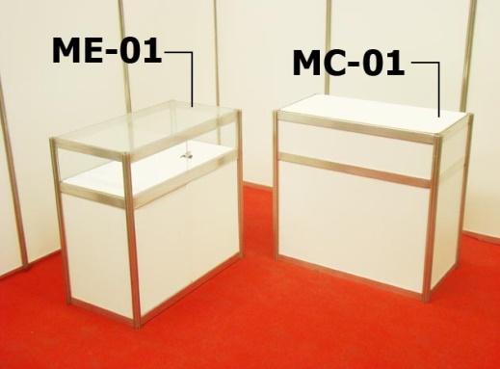 | 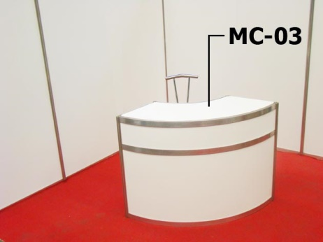 |  |  | 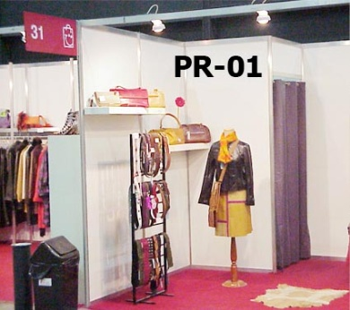
MO-20 | SHELF WHITE LAMINATED | 1.00 | 0.33 |  | 20.00 |  | 0.00
MO-23 | SHELF WHITE LAMINATED 45° | 1.00 | 0.33 |  | 30.00 |  | 0.00
PE-01 | CLOTHES STAND PER MODULE | 1.00 |  |  | 15.00 |  | 0.00
CU-01 | CUBE H: 0,50 | 0.50 | 0.50 | 0.50 | 30.00 |  | 0.00
CU-02 | CUBEH: 0,75 | 0.50 | 0.50 | 0.75 | 30.00 |  | 0.00
CU-03 | CUBE H:1,00 | 0.50 | 0.50 | 1.00 | 35.00 |  | 0.00
MO-14 | RECTAGULAR TABLE - BEECH TOP | 1.00 | 0.50 | 0.70 | 25.00 |  | 0.00
MO-14B | SQUARE TABLE - WHITE TOP | 1.10 | 1.10 | 0.70 | 45.00 |  | 0.00
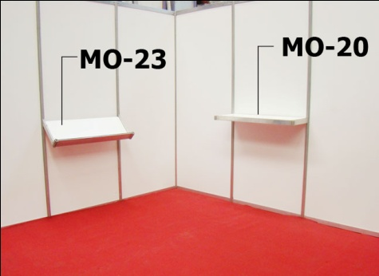 | 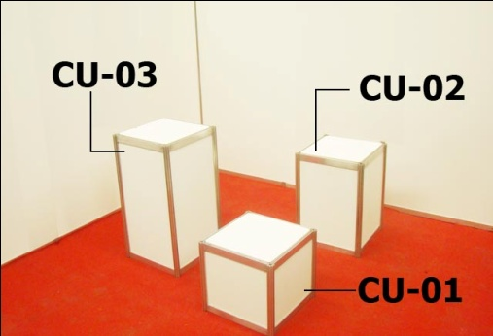 |  |  | 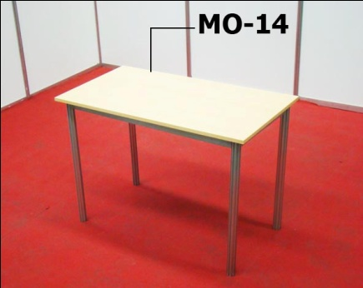
The Showcases and / or Shelves do not contain ILLUMINATION. In case of request, you must include in the order the celling with 2 dichroics (IS-09) or the artifact (s) you want. REMEMBER THAT WHEN APPLYNG ANY LIGHTING ELEMENT MUST INCLUIDE ITEM CC-01 (ELECTRICAL CONNECTION)
EL-01 | 5 RACK TALL BOOK SHELF | 1.00 | 0.33 | 2.50 | 70.00 |  | 0.00
ES-01 | SHOWCASE 3 SHELVES WITHOUT GLASS (SLIDING DOORS) | 1.00 | 0.50 | 2.50 | 55.00 |  | 0.00
ES-01P | SHOWCASE 3 SHELVES WITHOUT GLASS height between shelf: 44cm. | 1.00 | 0.50 | 2.50 | 85.00 |  | 0.00
ES-03 | SHOWCASE 3 SHELVES (FOR STORAGE) | 1.00 | 0.50 | 2.50 | 45.00 |  | 0.00
EV-01 | GLASS CABINET WITH 3 SHELVES Height between shelf:44cm. Maximum weight: 10 kg | 1.00 | 0.50 | 2.50 | 100.00 |  | 0.00
EV-01P | GLASS CABINET WITH 3 SHELVES WITH SLIDING DOORS Height between shelf:44cm. Maximum weight: 10 kg | 1.00 | 0.50 | 2.50 | 125.00 |  | 0.00
EV-02 | DOUBLE GLASS CABINET WITH 4 SHELVES Height between shelf: 44cm. Maximum weight: 10 kg | 1.00 | 0.50 | 2.50 | 145.00 |  | 0.00
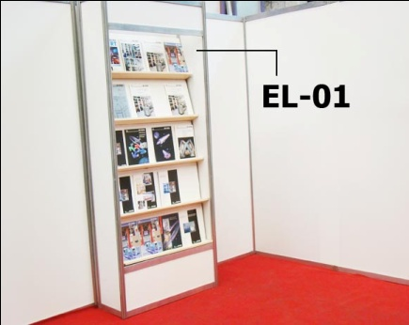 | 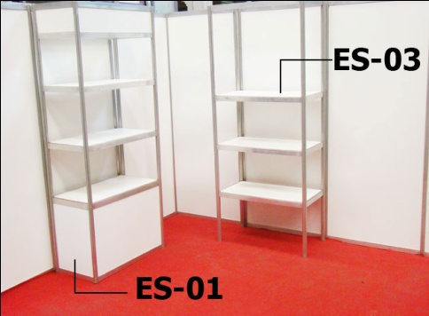

LIGHTS
Código | DESCRIPTION | WIDTH | DEPTH | HEIGHT | USD | QUANTITY | AMOUNT
The appliances of lighting are provided placed exclusively on the aluminium perimetral lintel or panels of the Modular System realized by ANSELMI. Applicances are not rented to be located in Stands or facilities of third parties. In case of sockets, they establish themselves with wired up by the columns of aluminium, do not place for floor, not under platforms of carpets. all the offered products are installed by ANSELMI, material is not rented to realize facilities that are no own. ALL THE PRODUCTS REQUESTED OF LIGHTING MUST INCLUDE THE ARTICLE CC-01 (ELECTRICAL CONNECTION)
CC-01 | PLACEMENT OF APPLIANCES, WIRED UP, CONNECTION TO THE ELECTRICAL NETWORK- POWER OUTLET- CIRCUIT BREAKER- ELECTRICAL GUARD DURING THE EVENT |  |  |  | 135.00 |  | 0.00
IS-03 | SPOT LIGHT -SHORT BRACKET -WITH LED LAMP | EQUIVALENT TO 100W |  |  | 25.00 |  | 0.00
IS-04 | SPOT LIGHT- LONG BRACKET - WITH LED LAMP | EQUIVALENT TO 100W |  |  | 35.00 |  | 0.00
IS-05 | PREMIERE -SHORT BRACKET -WITH LED LAMP | EQUIVALENT TO 150W |  |  | 40.00 |  | 0.00
IS-06 | PREMIERE -LONG BRACKET- WITH LED LAMP | EQUIVALENT TO 150W |  |  | 45.00 |  | 0.00
IS-09 | CEILING WITH TWO DICHROICS SQUEEZED |  |  |  | 50.00 |  | 0.00
IS-75 | CANDIL SPOTLIGHT WITH LED LAMP | EQUIVALENT TO 300W |  |  | 45.00 |  | 0.00
IS-30 | MULTIPLE SOCKET | MAX 10 AMP |  |  | 25.00 |  | 0.00
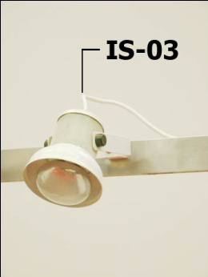 | 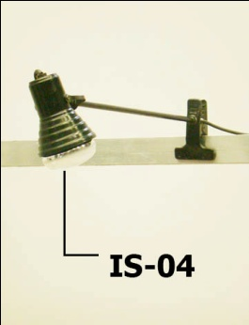 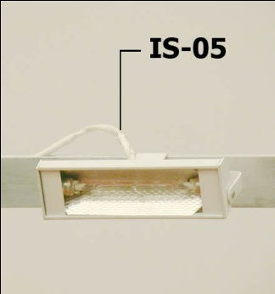 |  |  | 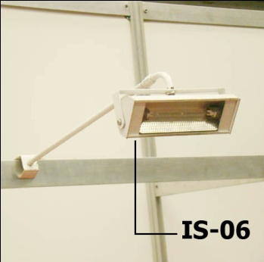

FLOORING
Código | DESCRIPTION | WIDTH | DEPTH | HEIGHT | USD | QUANTITY | AMOUNT
TA-02 | PLATFORM WOOD - H: 4cm |  |  |  | 15.00 |  | 0.00
AN-01 | CARPET- SYNTHETIC FIBER NEW |  |  |  | 15.00 |  | 0.00
AU-01 | CARPET- SYNTHETIC FIBER 2ND HAND |  |  |  | 10.00 |  | 0.00
NY-01 | POTECTOR NYLON |  |  |  | 5.00 |  | 0.00

GRAPHIC
Código | DESCRIPTION | WIDTH | DEPTH | HEIGHT | USD | QUANTITY | AMOUNT
GR-01 | GRAPHIC ON HEADER UP TO 1M IN LENGTH- 1 COLOR | 1.00 |  | 0.20 | 15.00 |  | 0.00
GR-04 | GRAPHIC PRINTED ON PANEL SYMA - 2,5M² | 1.00 |  | 2.50 | 75.00 |  | 0.00
GR-03 | GRAPHIC PRINTED UP TO 1 M² | 1.00 |  | 1.00 | 50.00 |  | 0.00
Graphs below 1.000m² will have the same value as GR-03
The present budget DO NOT INCLUDE art design, graphic and diagramation. These must be delivered in: Isotype and Logotype: digital files in .cdr, or .ai, all expanded and/or in outlines. Images, posters or murals: digital files in .jpg or .tiff, with a minimum of 300DPI in real scale, meaning, the final size of print. MAXIMUM DELIVERING DATE: 7 DAYS PREVIOUS TO ASSEMBLY

booth the location of the light appliances, and the shelves and other infreastructura´s elements, they will have to be been located by means of a scheme or sketch on the part of the exhibitor. Any modification on the order will have an addtional cost of 50 % |  | Every item is subject to availability accordingly at the moment of hiring |  |  |  | Charge: | 0.00
 |  |  |  |  |  | TAX 21% | 0.00
 |  |  |  |  |  | TOTAL: | 0.00

